Command Overview
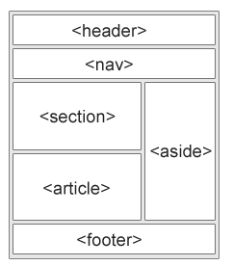
 |  | https://www.w3schools.com/tags/ref_byfunc.asp | https://www.w3schools.com/cssref/
Basic HTML
For? | Tag | Description
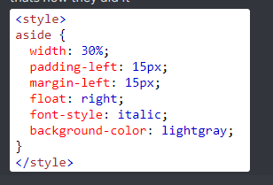
HTML5 | <!DOCTYPE> | Defines the document type
HTML5 | <html> | Represents root of an HTML document THE CONTAINER FOR ALL OTHER ELEMENTS WITHINN THE DOC
HTML5 | <head> | Contains metadata and other information / setup for the head of the doc Between <html> and <body>
HTML5 | <title> | Sets title for doc (Shown in new tab bit)
HTML5 | <body> | Defines the document's body (Rest of main elemnts)
HTML5 | <h1> to <h6> | Defines headings and their sizes / prominance
HTML5 | <p> | Defines a paragraph
HTML5 | <br> | Inserts a line break
HTML5 | <!--(CONTENT)--> | COMMENT
HTML5 | <hr> | Defines a thematic change in the content

Forms and Input
For? | Tag | Description
HTML5 | <form> | Defines where an HTML form is for user input
HTML5 | <input> | Defines an input area
HTML5 | <textarea> | Defines a multi line input area (text box)
HTML5 | <button> | Defines a clickable button
HTML5 | <select> | Defines a drop down list
HTML5 | <optgroup> | defines a group of related options in a drop down list
HTML5 | <option> | Defines an option in a drop-down list (FOR <SELECT>)
HTML5 | <label> | Defines a label (FOR <INPUT>)
HTML5 | <fieldset> | Groups related elements in a form
HTML5 | <legend> | Defines a caption (FOR <FIELDSET> )
HTML5 | <datalist> | Specifies a list of pre-defined options for input controls
HTML5 | <output> | Defines the result of a calculation

Images
For? | Tag | Description
HTML5 | <img> | Defines an Image
HTML5 | <map> | Defines a client-side image map (?????)
HTML5 | <area> | Defines an area inside an image map
HTML5 | <figcaption> | Defines a caption for a <figure> element
HTML5 | <figure> | Specifies self-contained content
HTML5 | <picture> | Defines a container for multiple image resources
HTML5 | <svg> | Defines a container for SVG graphics

Audio and Video
For? | Tag | Description
HTML5 | <audio> | Defines sound content
HTML5 | <source> | Defines multiple media resources for media elements (<video>, <audio> and <picture>)
HTML5 | <track> | Defines text tracks for media elements (<video> and <audio>)
HTML5 | <video> | Defines a video or movie

Links
For? | Tag | Description
HTML5 | <a> | Defines a hyperlink
HTML5 | <link> | Defines the relationship between a document and an external resource (most used to link to style sheets)
HTML5 | <track> | Defines navigation links

Lists
For? | Tag | Description
HTML5 | <ul> | Defines an unordered list
HTML5 | <ol> | Defines an ordered list
HTML5 | <li> | Defines a list item
HTML5 | <dl> | Defines a description list
HTML5 | <dt> | Defines a term/name in a description list
HTML5 | <dd> | Defines a description of a term/name in a description list

Tables
For? | Tag | Description
HTML5
HTML5
HTML5
HTML5
HTML5
HTML5

